Sheet1
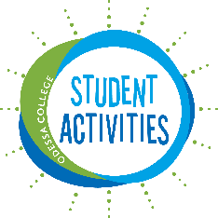
 | Odessa College Student Government Association
 | Fund Request Form

 |  |  | Date | ___/___/___

Please fill out this fund request form to request funds from OC SGA to alleviate your travel/event cost. Please keep in mind that OC SGA does not guarantee to cover your travel/event in full. The highest amout you can request is $2,500. OC SGA will allocate 1/3 or the lesser amount being requested. The monies allocated to your organization must be used for travel purposes or event purposes. No monies allocated by OC SGA can be used for profit (fundraisers). Also, keep in mind that your organization can request funds 3 times a year. We suggest: Fall, Spring , and Summer. We kindly ask that you include our OC SGA logo on your printed materials or advertisment. Please make sure to keep all receipts from all your purchases. Reminder, all your purchases must be tax-exempt. If you need our tax-exempt number please contact Elyssa Garcia at eogarcia@odessa.edu or 432-335-6313.

This form must be submitted to Elyssa Garcia - Director of Student Activities 3 weeks prior to the trip/event.
Organization Name
Name |  |  | Email
Advisor

Trip |  | Destination of Trip |  | Dates Traveling | ___/___/___
Event on Campus |  | Date of event | ___/___/___ |  | ___/___/___
Event off Campus |  | Date of event | ___/___/___

Activity Budget Plan
Material Needed | Price | Quantity | Total
 |  |  | 0
 |  |  | 0
 |  |  | 0
 |  |  | 0
 |  |  | 0
 |  |  | 0

 |  | Total: | $-

Travel Budget Plan
Expense Item | Price | Quantity | Total
 |  |  | 0
 |  |  | 0
 |  |  | 0
 |  |  | 0
 |  |  | 0
 |  |  | 0

 |  | Total: | $-

How will this event/ trip benefit your organization?

How will this event/ trip benefit OC?

Student Signature
Advisor Signature

